Hoja1
 |  |  | 0 | 1 | 2 | 3 | 4 | 5 | 6 | 7
25,000
89,579.52

 | P | F(P/F,i,n)
 | P | 6,977.04

PROCEDIMIENTO CORTO INGENIERIA ECONOMICA - JULIO ANTHONY ENGELS RUIZ COTO - 1284719

Hoja2
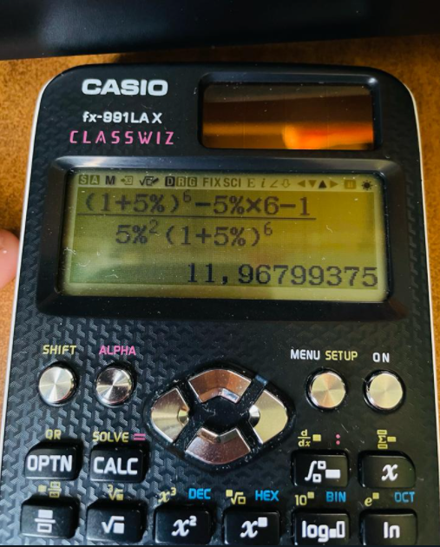
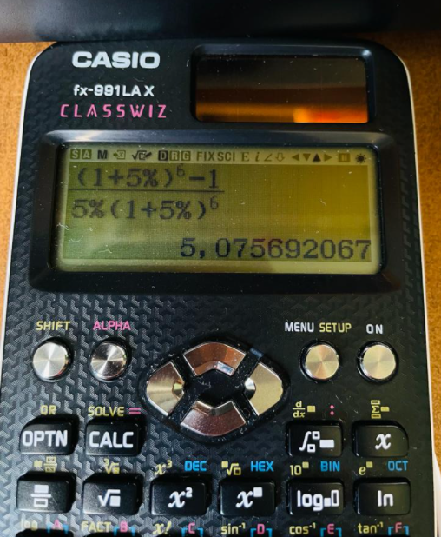
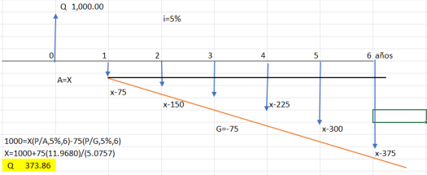
0 | 1 | 2 | 3 | 4 | 5 | 6

X
X-75
X-150
X-375

Hoja3
 | P = 23,000
 | i = 15%

 | t = 6 años
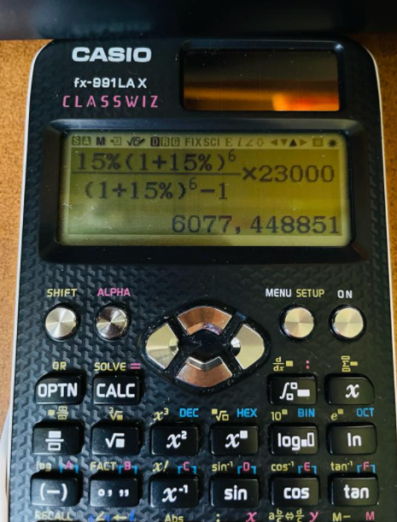

6,077.44

Hoja4
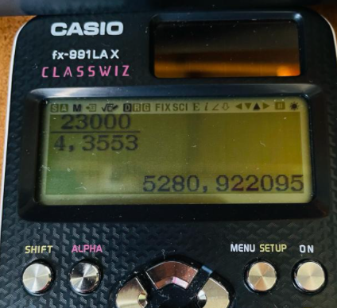
P = 23,000
i = 10%
t = 6 años

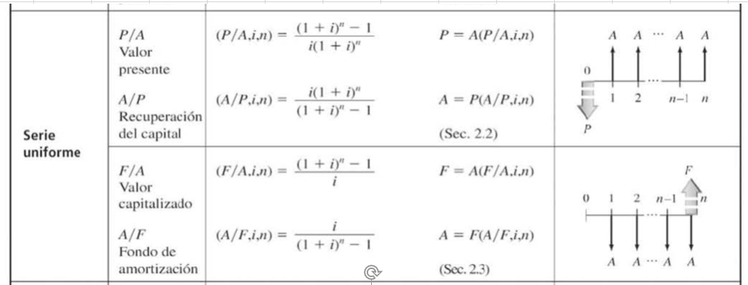

23,000 = A(P /A , 10%,6)
A = 23,000 /(P/A,10%,6)

5,280.92

Hoja7
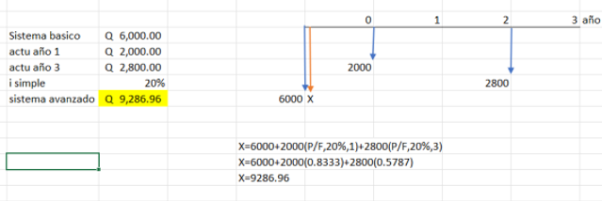

Hoja8
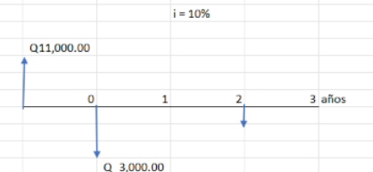

F = 11000(F/P,10%,3) | F = 11000(F/P,10%,1)
F = 14641 | F = 12100-3000 | F = 9100(F/P,10%,2)
 | F = 9100 | F = 11011

Hoja9

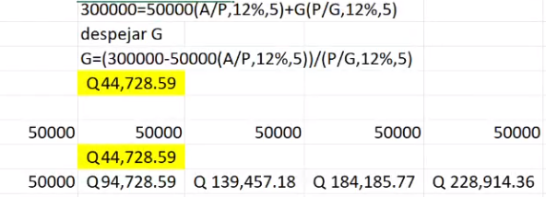
i = 12%

INTENTOS JULIO RUIZ
